Sheet1
Company |  | LOGO
Nike | www.nike.com
Adidas | www.adidas.com | 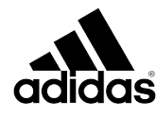
PATAGONIA | www.patagonia.com
THE NORTH FACE | www.thenorthface.com | 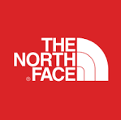
GAP | www.gap.com | 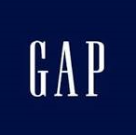
UNDER ARMOUR | www.underarmour.com | 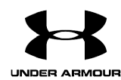
ASICS | www.asics.com
PUMA | www.puma.com
ARC'TERYX | www.arcteryx.com | 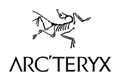
COLUMBIA | www.columbia.com
IKEA | www.ikea.com
Walmart | www.walmart.com
New Balance | www.newbalance.com
Lululemon | www.lululemon.com | 
ATHLETA | www.athleta.com

